Sheet1

TC-04 |  |  |  | TC-05


 | TC-07 |  |  |  | TC-08

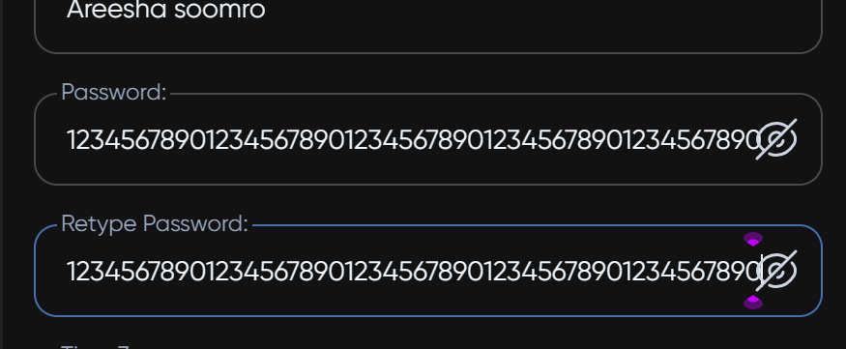




 |  | TC new bug

 |  |  | TC-22

